Sheet1
Prime Benefit Solutions Group Census
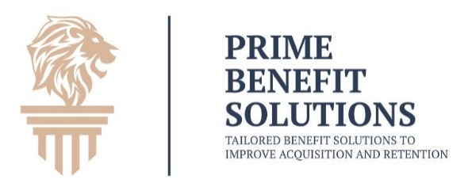
 |  |  |  | Company Name |  |  |  | Employer desired contribution |  |  |  |  |  |  | Prime Benefit Solutions is dedicated to finding the best group benefit options for you!
 |  |  |  | Headquarters State |  |  |  | Requested stategy
 |  |  |  | Contact Name |  |  |  | SIC/Nature of Business
 |  |  |  | Phone
 |  |  |  | Email
Must enter spouse / child(ren) information if desiring coverage for them. If more then 2 children add to notes at the bottom
Basic Employee / Family Information |  |  |  |  |  |  |  | Benefits Information |  |  |  | Location Info |  |  | Employment Info
# | Last Name | First Name | DOB | Relationship | Spouse DOB | Child 1 DOB | Child 2 DOB | Benefits Eligible | Gender | Tobacco Use | Medicare Eligible? | City | State | Zip Code | Job Title | Employment Type | Compensation Type | Compensation | Hire Date
 |  |  | MM/DD/YYYY | EE - Employee only | MM/DD/YYYY | MM/DD/YYYY | MM/DD/YYYY | Y - Yes | M - Male | Y - Yes | Y -Yes |  |  |  |  | FT - Full Time | S - Salary |  | DD/MM/YYYY
 |  |  |  | ES - Employee + Spouse |  |  |  | N - No | F - Female | N - No | N - No |  |  |  |  | PT - Part Time | H - Hourly
 |  |  |  | EC - Employee + Child |  |  |  |  |  |  |  |  |  |  |  | S - Seasonal
 |  |  |  | FAM - Family |  |  |  |  |  |  |  |  |  |  |  | V - Variable
0 | Sample | John | 08/18/1963 | E |  |  |  | Y | M | N | N | Portland | OR | 97204 | Brand Development | FT | S | $84,000 | 07/13/2003
1
2
3
4
5
6
7
8
9
10
11
12
13
14
15
16
17
18
19
20
21
22
23
24
25
26
27
28
29
30
31
32
33
34
35
36
37
38
39
40
41
42
43
44
45
46
47
48
49
50
51
52
53
54
55
56
57
58
59
60
61
62
63
64
65

 | Notes: | Employee Name | Child 3 DOB | Child 4 DOB | Child 5 DOB

